Sheet1
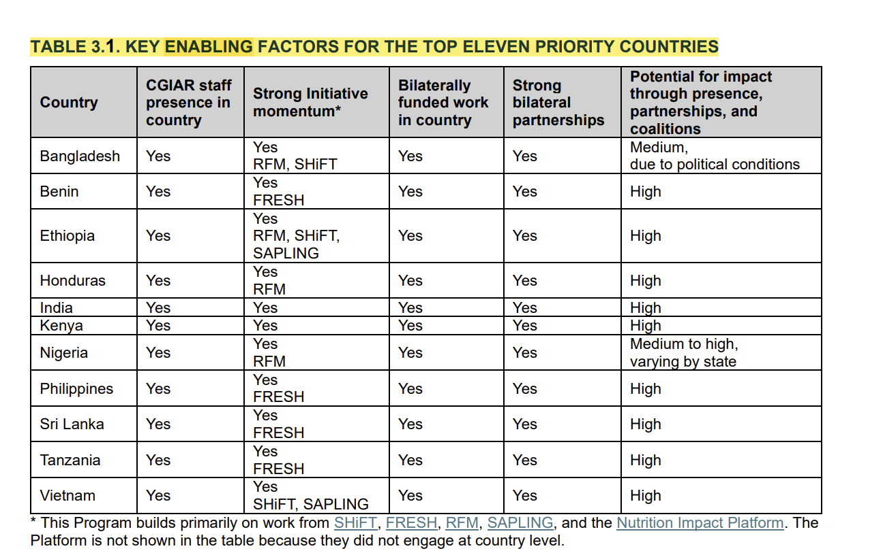
Program | Country | Alpha-2 code | Alpha-3 code
Better Diets and Nutrition | Bangladesh | BD | BGD | better diets
Better Diets and Nutrition | Benin | BJ | BEN | page 18 pdf
Better Diets and Nutrition | Ethiopia | ET | ETH
Better Diets and Nutrition | Honduras | HN | HND
Better Diets and Nutrition | India | IN | IND
Better Diets and Nutrition | Kenya | KE | KEN
Better Diets and Nutrition | Nigeria | NG | NGA
Better Diets and Nutrition | Philippines | PH | PHL
Better Diets and Nutrition | Sri Lanka | LK | LKA
Better Diets and Nutrition | Tanzania, United Republic | TZ | TZA
Better Diets and Nutrition | Viet Nam | VN | VNM
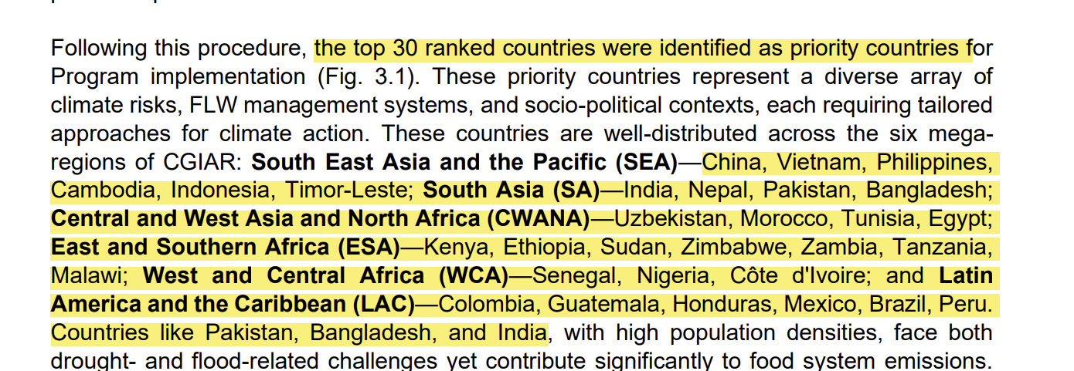
Climate Action | China | CN | CHN | climate
Climate Action | Viet Nam | VN | VNM | page 9 pdf
Climate Action | Philippines | PH | PHL
Climate Action | Cambodia | KH | KHM
Climate Action | Indonesia | ID | IDN
Climate Action | Timor-Leste | TL | TLS
Climate Action | India | IN | IND
Climate Action | Nepal | NP | NPL
Climate Action | Pakistan | PK | PAK
Climate Action | Bangladesh | BD | BGD
Climate Action | Uzbekistan | UZ | UZB
Climate Action | Morocco | MA | MAR
Climate Action | Tunisia | TN | TUN
Climate Action | Egypt | EG | EGY
Climate Action | Kenya | KE | KEN
Climate Action | Ethiopia | ET | ETH
Climate Action | Sudan (the) | SD | SDN
Climate Action | Zimbabwe | ZW | ZWE
Climate Action | Zambia | ZM | ZMB
Climate Action | Tanzania, United Republic | TZ | TZA
Climate Action | Malawi | MW | MWI
Climate Action | Senegal | SN | SEN
Climate Action | Nigeria | NG | NGA
Climate Action | Côte d'Ivoire | CI | CIV
Climate Action | Colombia | CO | COL
Climate Action | Guatemala | GT | GTM
Climate Action | Honduras | HN | HND
Climate Action | Mexico | MX | MEX
Climate Action | Brazil | BR | BRA
Climate Action | Peru | PE | PER
Food Frontiers and Security | Bangladesh | BD | BGD
Food Frontiers and Security | Burkina Faso | BF | BFA | food frontiers
Food Frontiers and Security | Ethiopia | ET | ETH
Food Frontiers and Security | Guatemala | GT | GTM | appendix page 4 pdf
Food Frontiers and Security | Honduras | HN | HND
Food Frontiers and Security | Jordan | JO | JOR
Food Frontiers and Security | Kenya | KE | KEN
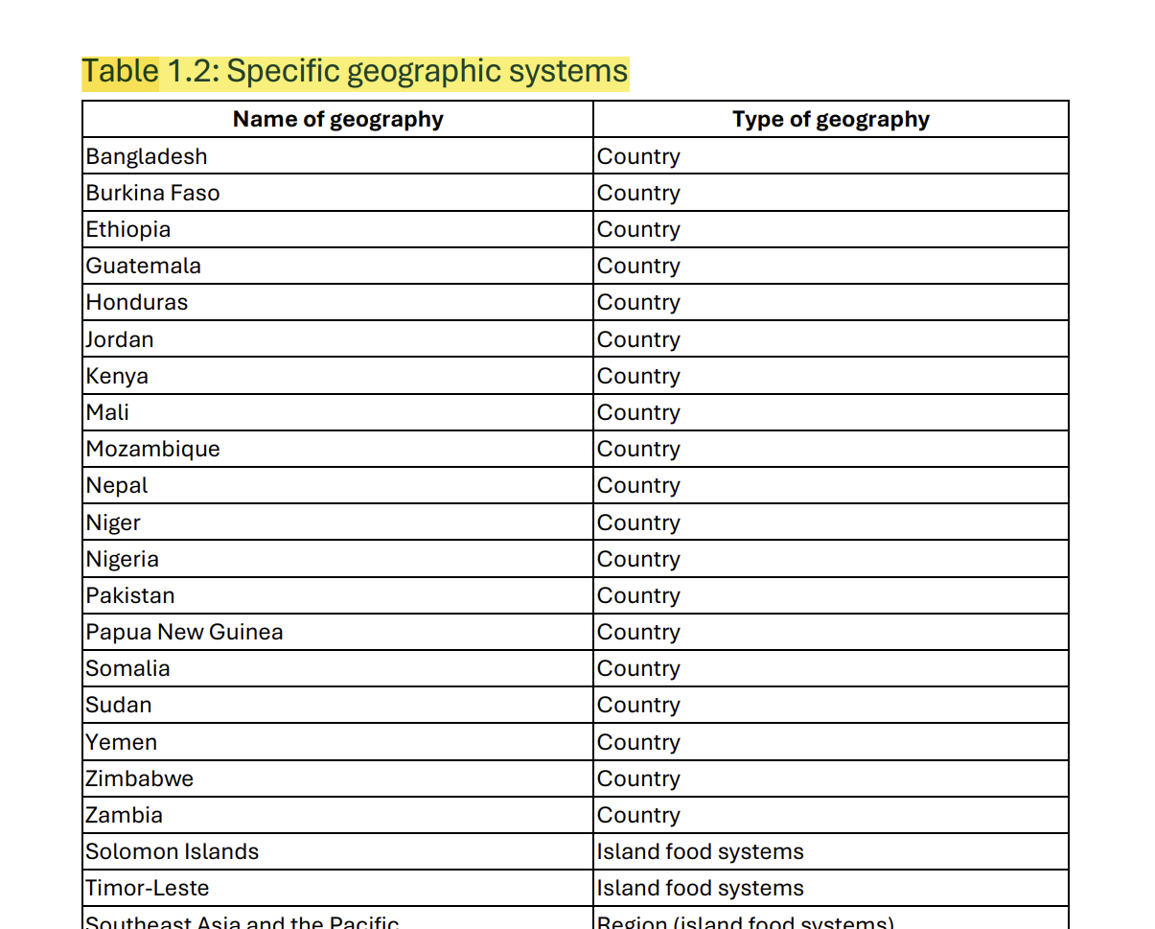
Food Frontiers and Security | Mali | ML | MLI
Food Frontiers and Security | Mozambique | MZ | MOZ
Food Frontiers and Security | Nepal | NP | NPL
Food Frontiers and Security | Niger | NE | NER
Food Frontiers and Security | Nigeria | NG | NGA
Food Frontiers and Security | Pakistan | PK | PAK
Food Frontiers and Security | Papua New Guinea | PG | PNG
Food Frontiers and Security | Somalia | SO | SOM
Food Frontiers and Security | Sudan (the) | SD | SDN
Food Frontiers and Security | Yemen | YE | YEM
Food Frontiers and Security | Zimbabwe | ZW | ZWE
Food Frontiers and Security | Zambia | ZM | ZMB
Food Frontiers and Security | Solomon Islands | SB | SLB
Food Frontiers and Security | Timor-Leste | TL | TLS
Multifunctional Landscape | Tunisia | TN | TUN
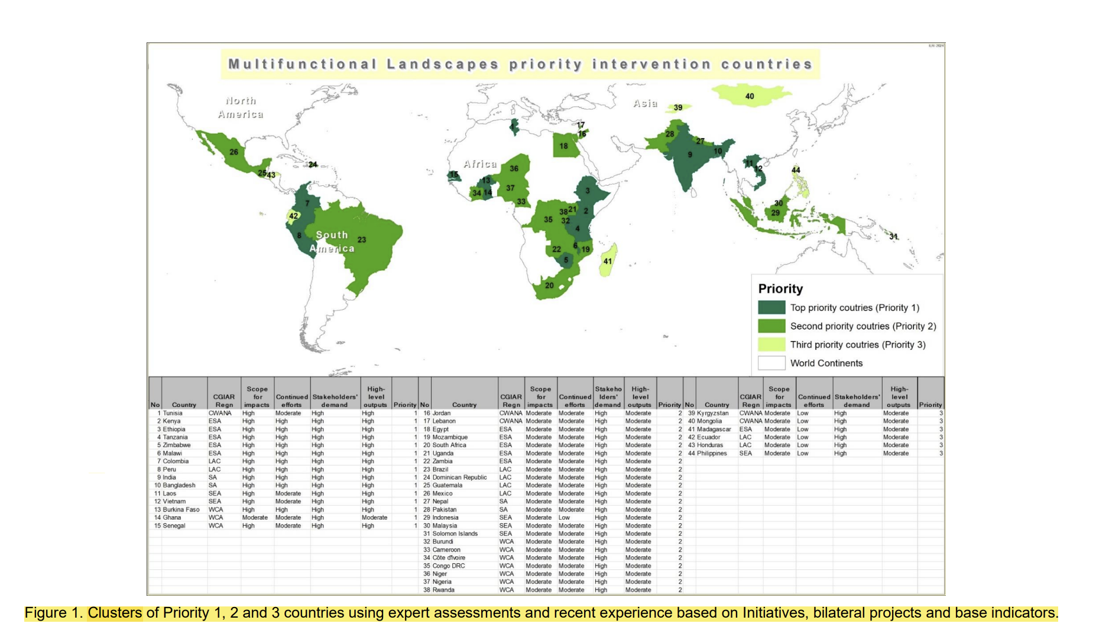
Multifunctional Landscape | Kenya | KE | KEN | multifunctional
Multifunctional Landscape | Ethiopia | ET | ETH | page 11 pdf
Multifunctional Landscape | Tanzania, United Republic | TZ | TZA
Multifunctional Landscape | Zimbabwe | ZW | ZWE
Multifunctional Landscape | Malawi | MW | MWI
Multifunctional Landscape | Colombia | CO | COL
Multifunctional Landscape | Peru | PE | PER
Multifunctional Landscape | India | IN | IND
Multifunctional Landscape | Bangladesh | BD | BGD
Multifunctional Landscape | Lao People's Democratic Republic | LA | LAO
Multifunctional Landscape | Viet Nam | VN | VNM
Multifunctional Landscape | Burkina Faso | BF | BFA
Multifunctional Landscape | Ghana | GH | GHA
Multifunctional Landscape | Senegal | SN | SEN
Multifunctional Landscape | Jordan | JO | JOR
Multifunctional Landscape | Lebanon | LB | LBN
Multifunctional Landscape | Egypt | EG | EGY
Multifunctional Landscape | Mozambique | MZ | MOZ
Multifunctional Landscape | South Africa | ZA | ZAF
Multifunctional Landscape | Uganda | UG | UGA
Multifunctional Landscape | Zambia | ZM | ZMB
Multifunctional Landscape | Brazil | BR | BRA
Multifunctional Landscape | Dominican Republic (the) | DO | DOM
Multifunctional Landscape | Guatemala | GT | GTM
Multifunctional Landscape | Mexico | MX | MEX
Multifunctional Landscape | Nepal | NP | NPL
Multifunctional Landscape | Pakistan | PK | PAK
Multifunctional Landscape | Indonesia | ID | IDN
Multifunctional Landscape | Malaysia | MY | MYS
Multifunctional Landscape | Solomon Islands | SB | SLB
Multifunctional Landscape | Burundi | BI | BDI
Multifunctional Landscape | Cameroon | CM | CMR
Multifunctional Landscape | Côte d'Ivoire | CI | CIV
Multifunctional Landscape | The Democratic Republic of the Congo | CD | COD
Multifunctional Landscape | Niger | NE | NER
Multifunctional Landscape | Nigeria | NG | NGA
Multifunctional Landscape | Rwanda | RW | RWA
Multifunctional Landscape | Kyrgyzstan | KG | KGZ
Multifunctional Landscape | Mongolia | MN | MNG
Multifunctional Landscape | Madagascar | MG | MDG
Multifunctional Landscape | Ecuador | EC | ECU
Multifunctional Landscape | Honduras | HN | HND
Multifunctional Landscape | Philippines | PH | PHL
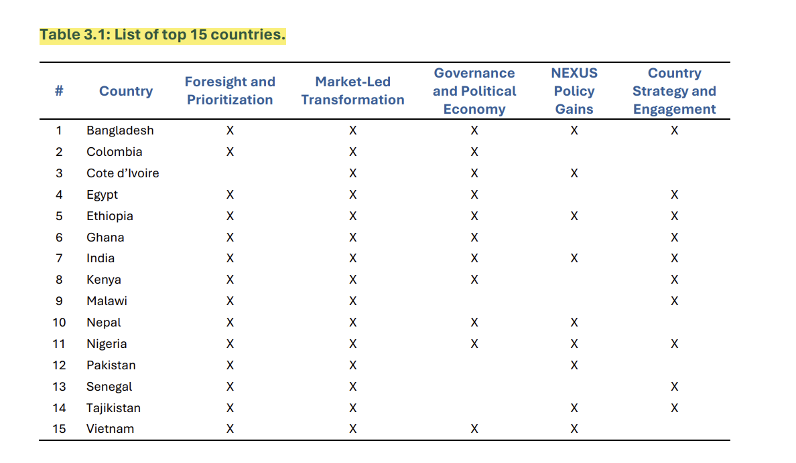
Policy Innovations | Bangladesh | BD | BGD
Policy Innovations | Colombia | CO | COL | policy
Policy Innovations | Côte d'Ivoire | CI | CIV | page 13 pdf
Policy Innovations | Egypt | EG | EGY
Policy Innovations | Ethiopia | ET | ETH
Policy Innovations | Ghana | GH | GHA
Policy Innovations | India | IN | IND
Policy Innovations | Kenya | KE | KEN
Policy Innovations | Malawi | MW | MWI
Policy Innovations | Nepal | NP | NPL
Policy Innovations | Nigeria | NG | NGA
Policy Innovations | Pakistan | PK | PAK
Policy Innovations | Senegal | SN | SEN
Policy Innovations | Tajikistan | TJ | TJK
Policy Innovations | Viet Nam | VN | VNM
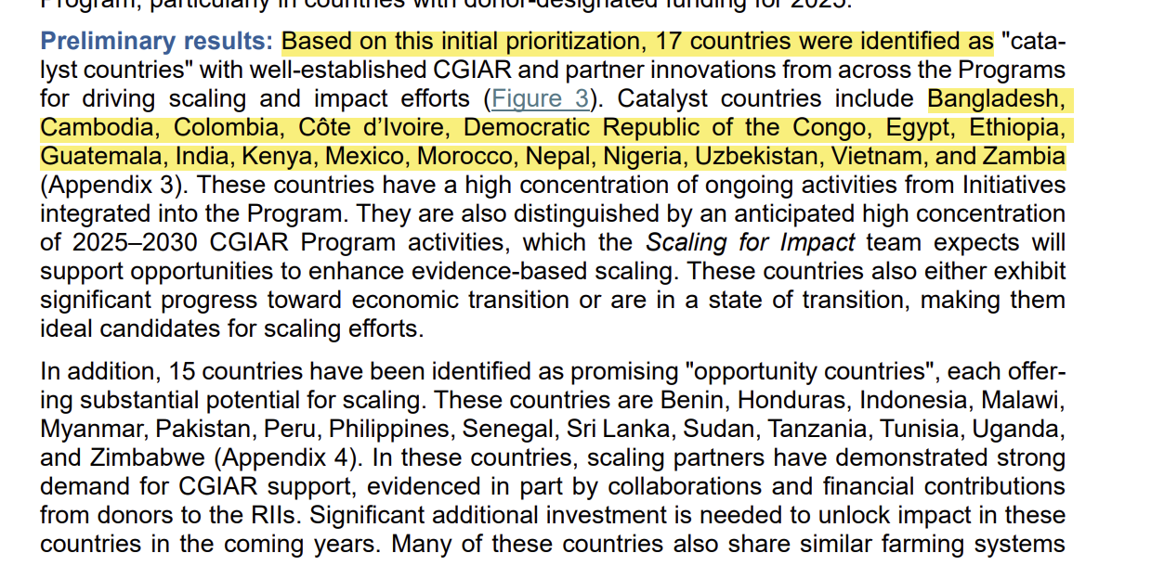
Scaling for Impact | Bangladesh | BD | BGD | scaling
Scaling for Impact | Cambodia | KH | KHM | page 12 pdf
Scaling for Impact | Colombia | CO | COL
Scaling for Impact | The Democratic Republic of the Congo | CD | COD
Scaling for Impact | Egypt | EG | EGY
Scaling for Impact | Ethiopia | ET | ETH
Scaling for Impact | Guatemala | GT | GTM
Scaling for Impact | India | IN | IND
Scaling for Impact | Côte d'Ivoire | CI | CIV
Scaling for Impact | Kenya | KE | KEN
Scaling for Impact | Mexico | MX | MEX
Scaling for Impact | Morocco | MA | MAR
Scaling for Impact | Nepal | NP | NPL
Scaling for Impact | Nigeria | NG | NGA
Scaling for Impact | Uzbekistan | UZ | UZB
Scaling for Impact | Viet Nam | VN | VNM
Scaling for Impact | Zambia | ZM | ZMB
Sustainable Animal and Aquatic Foods | Kenya | KE | KEN | sustainable animal
Sustainable Animal and Aquatic Foods | Ethiopia | ET | ETH | page 5 pdf
Sustainable Animal and Aquatic Foods | Mali | ML | MLI
Sustainable Animal and Aquatic Foods | Tanzania, United Republic | TZ | TZA
Sustainable Animal and Aquatic Foods | Uganda | UG | UGA
Sustainable Animal and Aquatic Foods | Viet Nam | VN | VNM
Sustainable Animal and Aquatic Foods | Bangladesh | BD | BGD
Sustainable Animal and Aquatic Foods | India | IN | IND
Sustainable Animal and Aquatic Foods | Nepal | NP | NPL
Sustainable Animal and Aquatic Foods | Colombia | CO | COL
Sustainable Animal and Aquatic Foods | Guatemala | GT | GTM
Sustainable Animal and Aquatic Foods | Senegal | SN | SEN
Sustainable Animal and Aquatic Foods | Tunisia | TN | TUN
Sustainable Animal and Aquatic Foods | Cambodia | KH | KHM
Sustainable Animal and Aquatic Foods | Ghana | GH | GHA
Sustainable Animal and Aquatic Foods | Nigeria | NG | NGA
Sustainable Animal and Aquatic Foods | Timor-Leste | TL | TLS
Sustainable Animal and Aquatic Foods | Zambia | ZM | ZMB
Sustainable Animal and Aquatic Foods | Malaysia | MY | MYS
Sustainable Animal and Aquatic Foods | Egypt | EG | EGY
Sustainable Farming | Mexico | MX | MEX
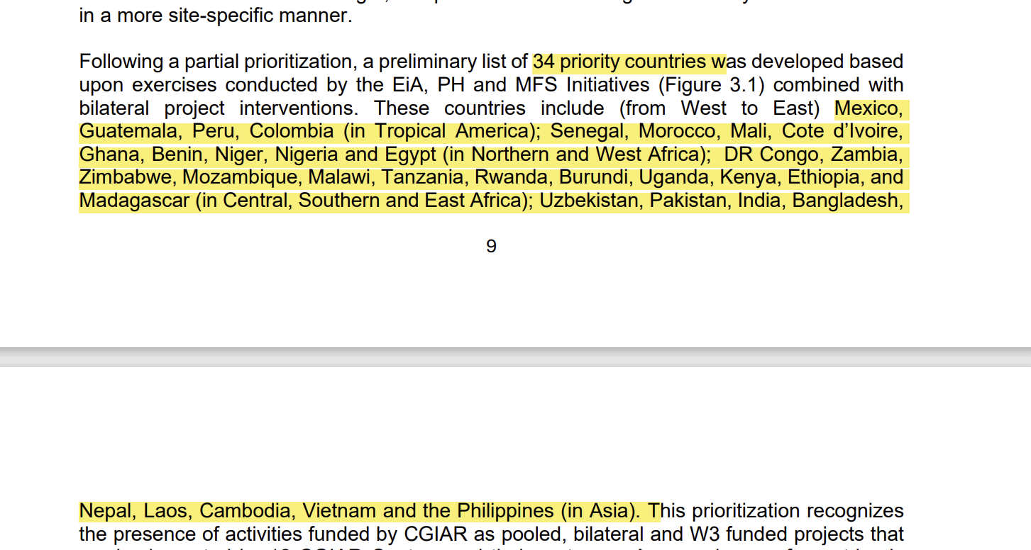
Sustainable Farming | Guatemala | GT | GTM | sustainable farming
Sustainable Farming | Peru | PE | PER | page 9 pdf
Sustainable Farming | Colombia | CO | COL
Sustainable Farming | Senegal | SN | SEN
Sustainable Farming | Morocco | MA | MAR
Sustainable Farming | Mali | ML | MLI
Sustainable Farming | Côte d'Ivoire | CI | CIV
Sustainable Farming | Ghana | GH | GHA
Sustainable Farming | Benin | BJ | BEN
Sustainable Farming | Niger | NE | NER
Sustainable Farming | Nigeria | NG | NGA
Sustainable Farming | Egypt | EG | EGY
Sustainable Farming | The Democratic Republic of the Congo | CD | COD
Sustainable Farming | Zambia | ZM | ZMB
Sustainable Farming | Zimbabwe | ZW | ZWE
Sustainable Farming | Mozambique | MZ | MOZ
Sustainable Farming | Malawi | MW | MWI
Sustainable Farming | Tanzania, United Republic | TZ | TZA
Sustainable Farming | Rwanda | RW | RWA
Sustainable Farming | Burundi | BI | BDI
Sustainable Farming | Uganda | UG | UGA
Sustainable Farming | Kenya | KE | KEN
Sustainable Farming | Ethiopia | ET | ETH
Sustainable Farming | Madagascar | MG | MDG
Sustainable Farming | Uzbekistan | UZ | UZB
Sustainable Farming | Pakistan | PK | PAK
Sustainable Farming | India | IN | IND
Sustainable Farming | Bangladesh | BD | BGD
Sustainable Farming | Nepal | NP | NPL
Sustainable Farming | Lao People's Democratic Republic | LA | LAO
Sustainable Farming | Cambodia | KH | KHM
Sustainable Farming | Viet Nam | VN | VNM
Sustainable Farming | Philippines | PH | PHL
 |  |  |  | Missing:
 |  |  |  | Breeding for Tomorrow
 |  |  |  | Capacity Sharing
 |  |  |  | Digital Transformation
 |  |  |  | Gender Equality and Inclusion
 |  |  |  | Genebanks

